script
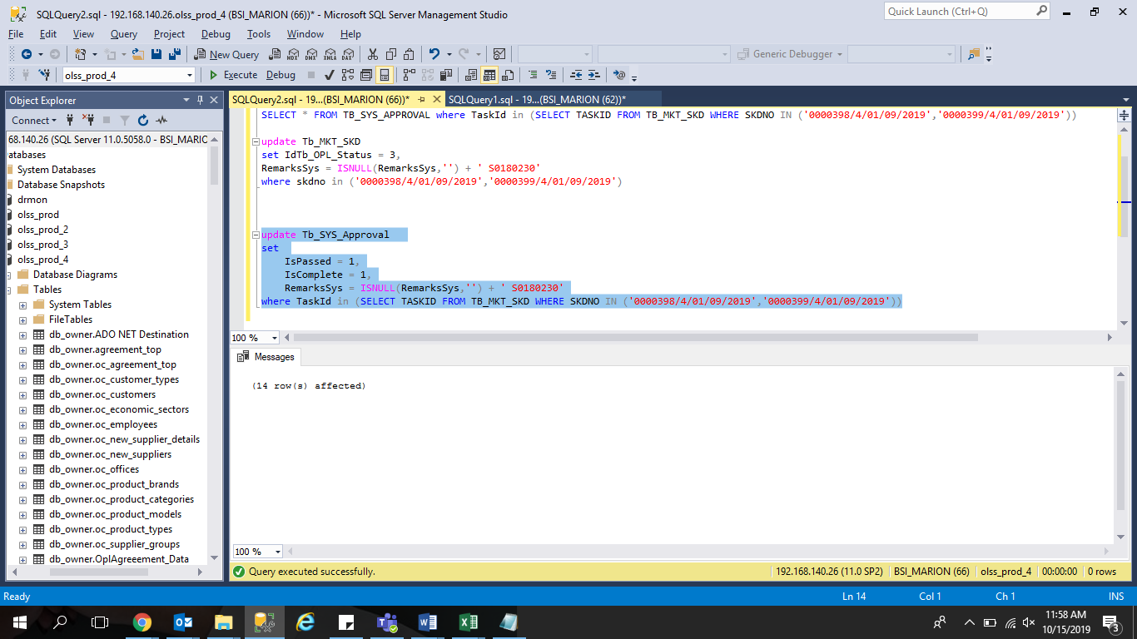
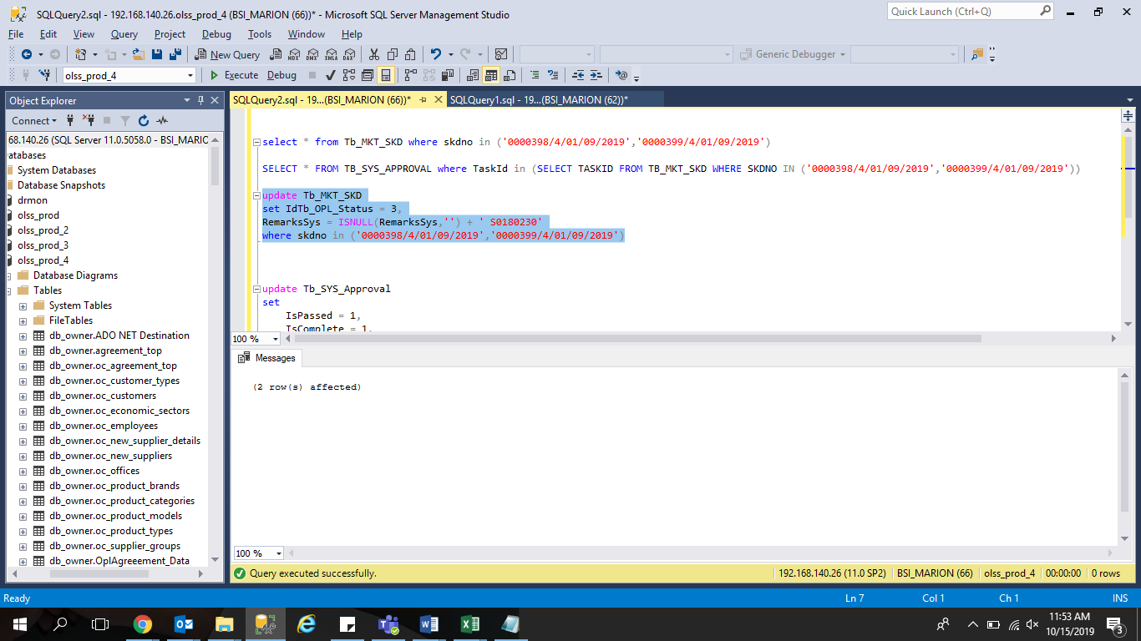
update Tb_MKT_SKD
set IdTb_OPL_Status = 3,
RemarksSys = ISNULL(RemarksSys,'') + ' S0180230'
where skdno in ('0000398/4/01/09/2019','0000399/4/01/09/2019')

update Tb_SYS_Approval
set
 | IsPassed = 1,
 | IsComplete = 1,
 | RemarksSys = ISNULL(RemarksSys,'') + ' S0180230'
where TaskId in (SELECT TASKID FROM TB_MKT_SKD WHERE SKDNO IN ('0000398/4/01/09/2019','0000399/4/01/09/2019'))

screenshot
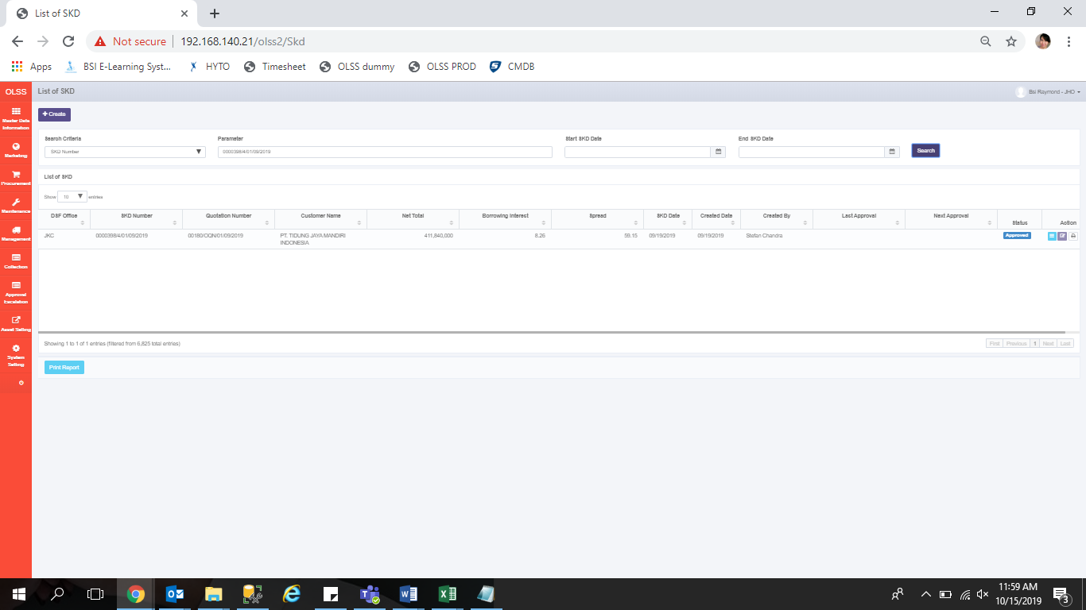
BEFORE
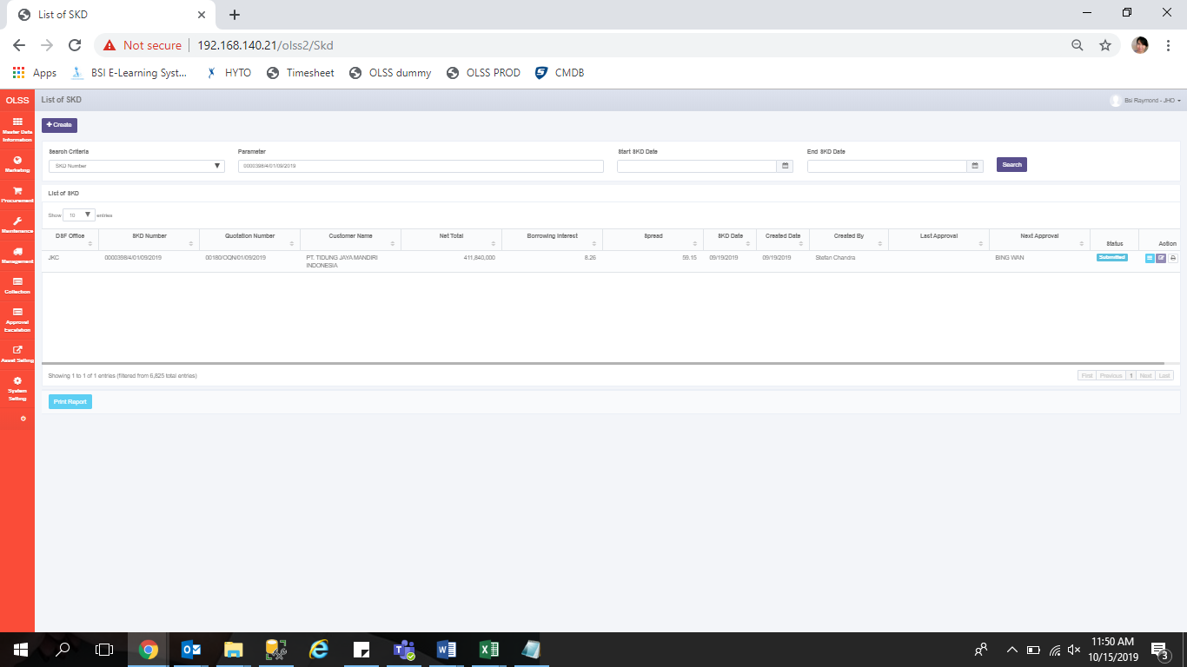

AFTER

